Sheet1
 | SLOC | Bugs | Defect Density | SLOC
version3.5 | 62 | 14.00 | 0.22580645161 | 6445 | 25477 | 30144 | Counting SLOC
version3.1 | 56 | 24.00 | 0.42857142857 | 5877 | 23620 | 26156
version3.2 | 57 | 15.00 | 0.26315789474 | 5959 | 23941 | 26736
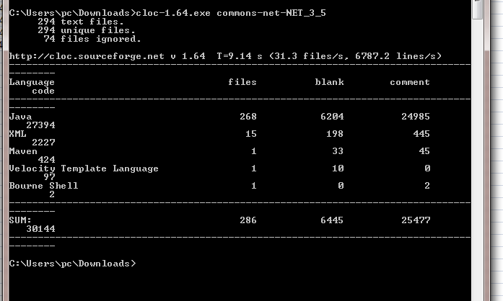
version3.3 | 58 | 44.00 | 0.75862068966 | 6019 | 24368 | 27126
version3.0 | 55 | 12.00 | 0.21818181818 | 5777 | 23321 | 25509
Latest(3.6) | 63 | 27.00 | 0.42857142857 | 6502 | 25699 | 30688

